Sheet1
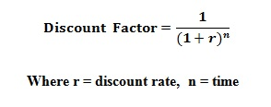

 |  |  | we are given than A=5000, G=1000, r=10%, N=6

N | A |  | Discount factor with 10% discount rate | PV | N |  | G | Discount factor with 10% discount rate | PV
1 | 5000 |  | 0.90909090909 | 4545.4545455 | 1 | zero G | 0 | 0.90909090909 | 0
2 | 5000 |  | 0.82644628099 | 4132.231405 | 2 | 1G | 1000 | 0.82644628099 | 826.44628099
3 | 5000 |  | 0.7513148009 | 3756.5740045 | 3 | 2G | 2000 | 0.7513148009 | 1502.6296018
4 | 5000 |  | 0.68301345537 | 3415.0672768 | 4 | 3G | 3000 | 0.68301345537 | 2049.0403661
5 | 5000 |  | 0.62092132306 | 3104.6066153 | 5 | 4G | 4000 | 0.62092132306 | 2483.6852922
6 | 5000 |  | 0.56447393005 | 2822.3696503 | 6 | 5G | 5000 | 0.56447393005 | 2822.3696503
 |  |  |  | 21776.303497 |  |  |  |  | 9684.1711914

 |  | Answer | 31460.474689

